Planilha1
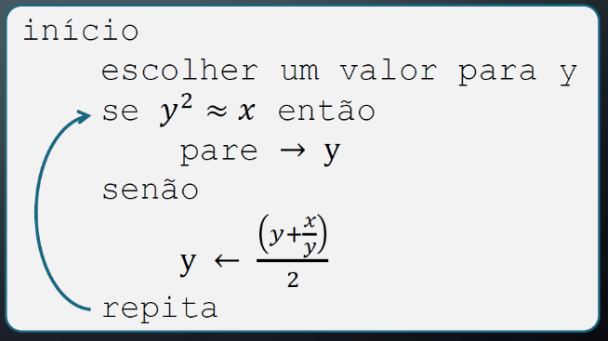
x | y | y^2 | (y+x/y)/2 | y^2 = x?
121 | 10 | 100 | 11.05 | FALSE
 | 11.05 | 122.1025 | 11.000113122 | FALSE
 | 11.000113122 | 121.0024887 | 11.000000001 | FALSE
 | 11.000000001 | 121.00000001 | 11 | FALSE
 | 11 | 121 | 11 | TRUE
 | 11 | 121 | 11 | TRUE
 | 11 | 121 | 11 | TRUE
 | 11 | 121 | 11 | TRUE
 | 11 | 121 | 11 | TRUE
 | 11 | 121 | 11 | TRUE
 | 11 | 121 | 11 | TRUE
 | 11 | 121 | 11 | TRUE
 | 11 | 121 | 11 | TRUE
 | 11 | 121 | 11 | TRUE
 | 11 | 121 | 11 | TRUE
 | 11 | 121 | 11 | TRUE
 | 11 | 121 | 11 | TRUE

